Fig 1 - Cumulative heatwave exp
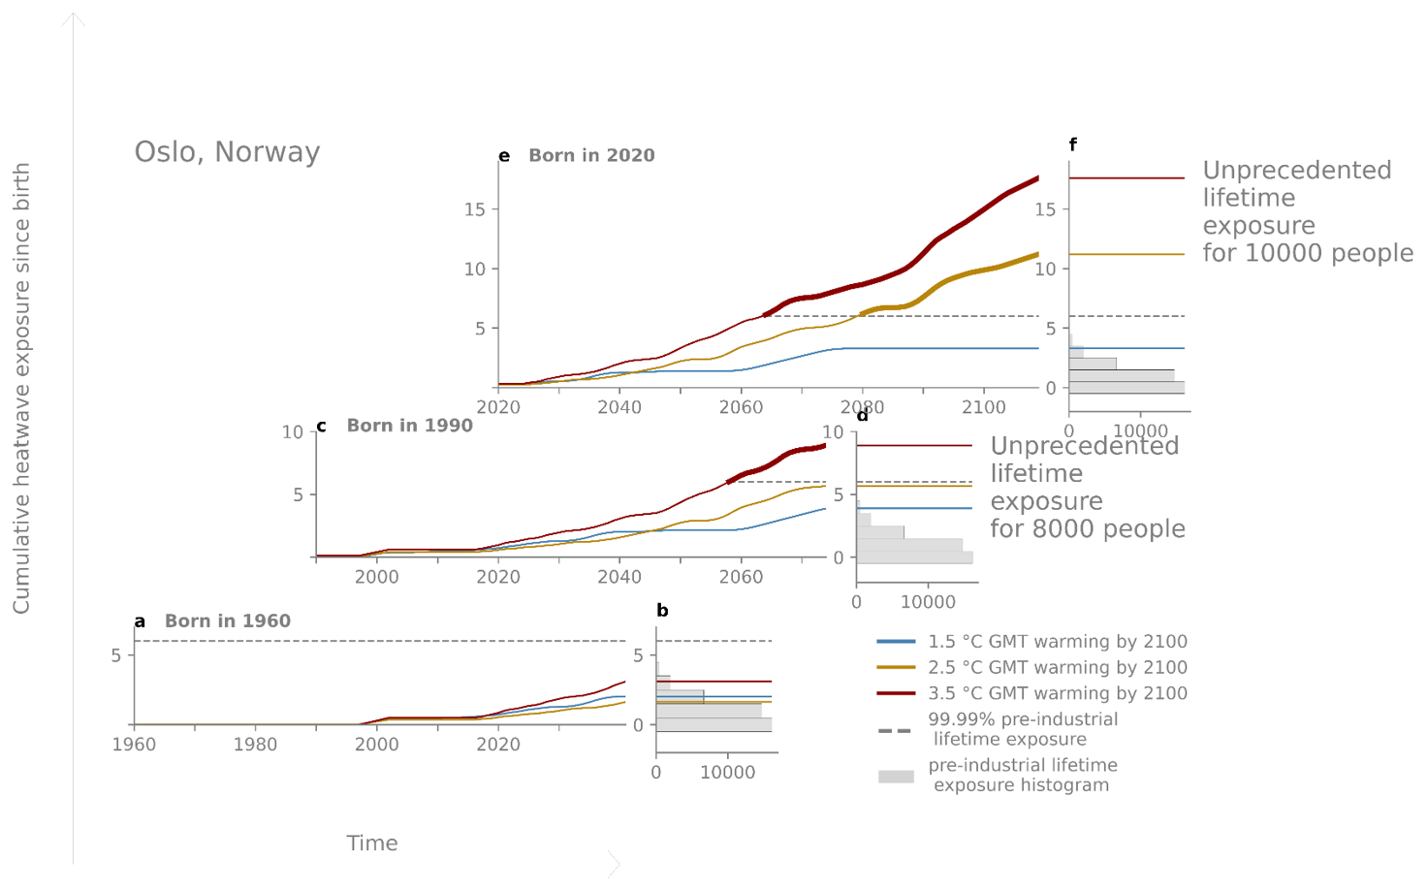
Living an unprecedetend life - an illustration

Fig 1 - Cumulative heatwave exposure since birth in Oslo, Norway. (a), (c), (e), Multimodel mean time series of cumulative heatwave exposure for people born in 1960 (a), 1990 (c) and 2020 (e) in 1.5 °C (blue line), 2.5 °C (gold line) and 3.5 °C (red line) pathways.
(b), (d), (f), Histograms for 1960 (b), 1990 (d) and 2020 (f ) birth cohorts show the pre-industrial sample density of 40,000 bootstrapped lifetime exposures overlaid with final lifetime exposures from the birth cohort’s time series.
Dashed lines show the 99.99th percentile of the pre-industrial sample distribution, that is, the threshold of Unprecedented Lifetime Exposure (ULE) for this location, cohort and climate extreme.
Counts of people (right of d,f ) show the population of the birth cohort that has emerged beyond the 99.99th percentile of the pre-industrial sample distribution.

